BR1
ID | BR1001
Reporter: | Mashentsova Oksana | Assignee: |  | Status: | Fail
Type: | Functional | Severity: | Major | Priority: | Hight
Browser: | Google Chrome Version 106.0.5249.103 (Official Build) (64-bit) | OS: | Windows | OS version | Windows 10 Pro
Summary: | Error redirecting to the main site after clicking on the GoIT logo in the page header
Description:

Pre-conditions:
1 | The websitehttps://goit.global/qa-autocheck-test/?token=d5fcc3783ba50fcac78b5a5ea8e4d69f6fe51ed8368bc618a58a846ad8b03a63&block=xyz01ab35 is open in the browther
Steps to reproduce:
1 | Click on the GoIT logo in the page header
Actual result:
The page https://goiteens.com/ has opened

Expected result:
The page updated. The main website page is open
Attachments: | 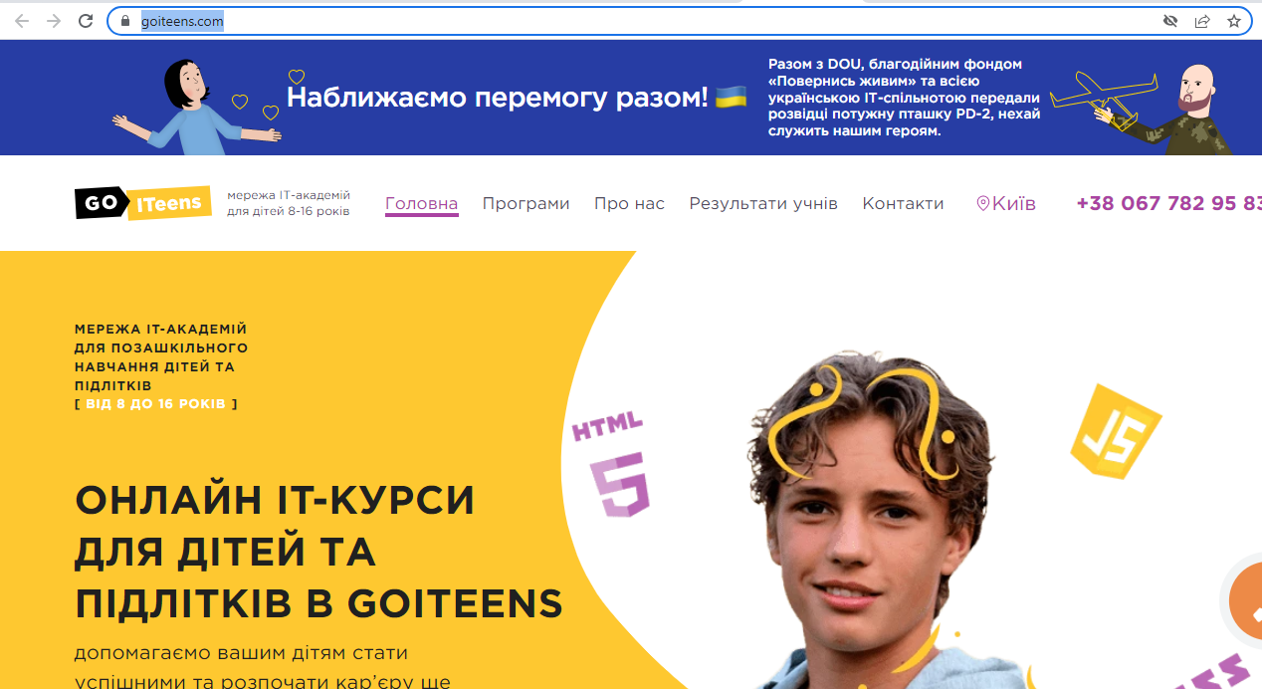
Additional info:

BR2
ID | BR1002
Reporter: | Mashentsova Oksana | Assignee: |  | Status: | Fail
Type: | Usability | Severity: | Minor | Priority: | Medium
Browser: | Google Chrome Version 106.0.5249.103 (Official Build) (64-bit) | OS: | Windows | OS version | Windows 10 Pro
Summary: | Incorrect placement of the GoIT logo in the left corner of the site header
Description:

Pre-conditions:
1 | The website https://goit.global/qa-autocheck-test/?token=d5fcc3783ba50fcac78b5a5ea8e4d69f6fe51ed8368bc618a58a846ad8b03a63&block=xyz01ab35 is open in the browther

Steps to reproduce: 1.Check the location of the GoIT logo
Actual result: The GoIT logo is placed in the header in the left corner
Expected result: The GoIT logo is placed in the header in the right corner
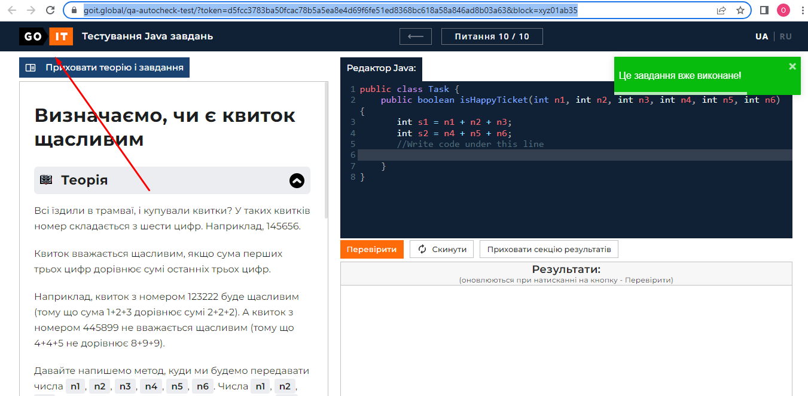 Attachments:
Additional info:

BR3
ID | BR1003
Reporter: | Mashentsova Oksana | Assignee: |  | Status: | Fail
Type: | Function | Severity: | Minor | Priority: | Medium
Browser: | Google Chrome Version 106.0.5249.103 (Official Build) (64-bit) | OS: | Windows | OS version | Windows 10 Pro
Summary: | The theory heading in the "Theory and Tasks" section in question №2 is missing
Description:

Pre-conditions:
1 | The website https://goit.global/qa-autocheck-test/?token=d5fcc3783ba50fcac78b5a5ea8e4d69f6fe51ed8368bc618a58a846ad8b03a63&block=xyz01ab35 is open in the browther
2 | The "Theory and tasks" section is open
Steps to reproduce:
1 | Click on the central button of the navigation menu
2 | Click on the button with the question number 2
3 | Click on the "Theory" heading at the top of the "Theory and Tasks" section
Actual result: The heading "Theory" in question #2 is missing
Expected result: 1.A list of resolved questions opened
2.Question 2 page with a posted theory opened
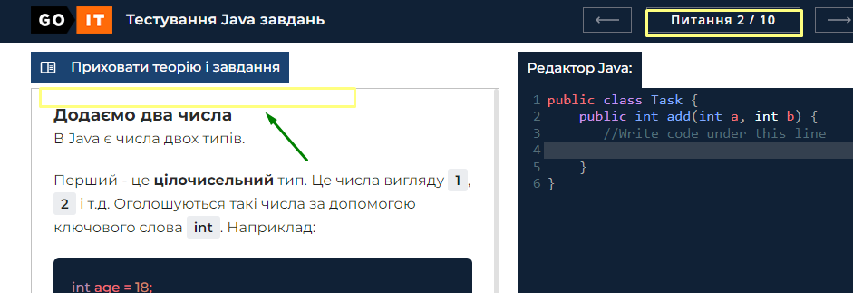
3.The main theoretical part of the theory section is closed, only the formulation of the task and admission criteria remain in the section
Attachments:
Additional info:

BR4
ID | BR1004
Reporter: | Mashentsova Oksana | Assignee: |  | Status: | Fail
Type: | Function | Severity: | Minor | Priority: | Medium
Browser: | Google Chrome Version 106.0.5249.103 (Official Build) (64-bit) | OS: | Windows | OS version | Windows 10 Pro
Summary: | The theory heading in the "Theory and Tasks" section in question №2 is missing
Description:

Pre-conditions:
1 | The website https://goit.global/qa-autocheck-test/?token=d5fcc3783ba50fcac78b5a5ea8e4d69f6fe51ed8368bc618a58a846ad8b03a63&block=xyz01ab35 is open in the browther
2 | The "Theory and tasks" section is open
Steps to reproduce:
1 | Click on the central button of the navigation menu
2 | Click on the button with the question number 5
3 | Click on the "Theory" heading at the top of the "Theory and Tasks" section
Actual result: The heading "Theory" in question #5 is missing
Expected result: 1.A list of resolved questions opened
2.Question 5 page with a posted theory opened
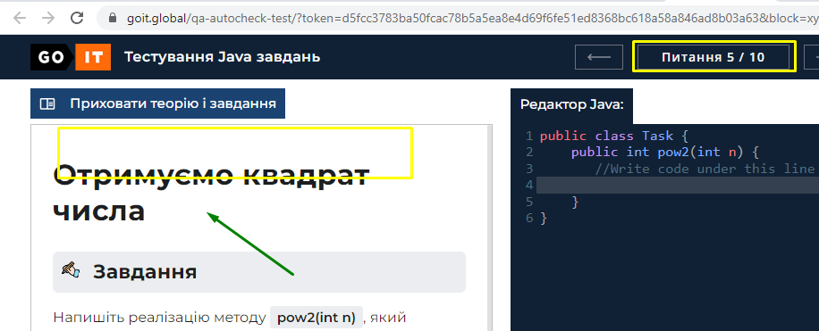
3.The main theoretical part of the theory section is closed, only the formulation of the task and admission criteria remain in the section
Attachments:
Additional info:

BR5
ID | BR1005
Reporter: | Mashentsova Oksana | Assignee: |  | Status: | Fail
Type: | Function | Severity: | Minor | Priority: | Medium
Browser: | Google Chrome Version 106.0.5249.103 (Official Build) (64-bit) | OS: | Windows | OS version | Windows 10 Pro
Summary: | The theory in the section "Theory and tasks" in question #5 is missing
Description:

Pre-conditions:
1 | The website https://goit.global/qa-autocheck-test/?token=d5fcc3783ba50fcac78b5a5ea8e4d69f6fe51ed8368bc618a58a846ad8b03a63&block=xyz01ab35 is open in the browther
2 | The "Theory and tasks" section is open
Steps to reproduce:
1 | Click on the central button of the navigation menu
2 | Click on the button with the question number 5

Actual result: The theory in question #5 is missing
Expected result: 1.A list of resolved questions opened
2.Question 5 page with a posted theory opened
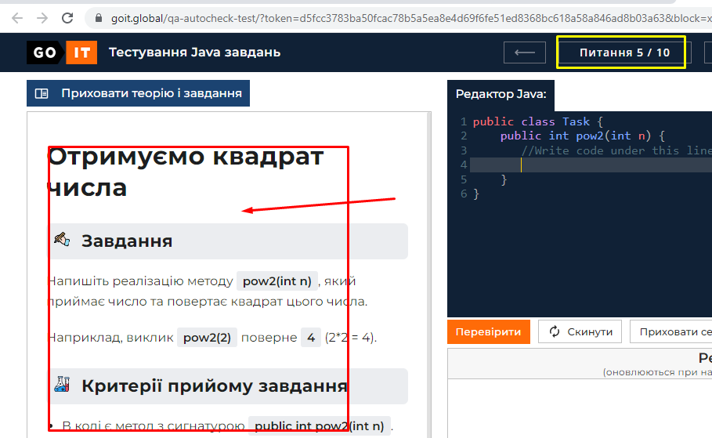
Attachments:
Additional info:

BR6
ID | BR1006
Reporter: | Mashentsova Oksana | Assignee: |  | Status: | Fail
Type: | Function | Severity: | Minor | Priority: | Medium
Browser: | Google Chrome Version 106.0.5249.103 (Official Build) (64-bit) | OS: | Windows | OS version | Windows 10 Pro
Summary: | Ability to enter characters at the beginning of blocked lines in the Java editor
Description:

Pre-conditions:
1 | The website https://goit.global/qa-autocheck-test/?token=d5fcc3783ba50fcac78b5a5ea8e4d69f6fe51ed8368bc618a58a846ad8b03a63&block=xyz01ab35 is open in the browther
2 | The Java code editor window is open.
3 | A start code is in the editor window.
Steps to reproduce:
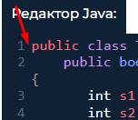 1 | Enter the word "TEST" at the beginning of the blocked line in the code editor

Actual result: Entering characters at the beginning of a blocked line in the code editor is possible
Expected result: Entering characters at the beginning of a blocked line in the code editor is not possible.

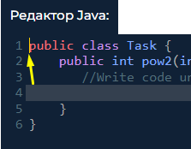 Attachments: | 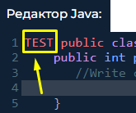
Additional info:

BR7
ID | BR1007
Reporter: | Mashentsova Oksana | Assignee: |  | Status: | Fail
Type: | Function | Severity: | Critical | Priority: | Hight
Browser: | Google Chrome Version 106.0.5249.103 (Official Build) (64-bit) | OS: | Windows | OS version | Windows 10 Pro
Summary: | Error checking the program code of the correct answer in question 4
Description:

Pre-conditions:
1 | The website https://goit.global/qa-autocheck-test/?token=d5fcc3783ba50fcac78b5a5ea8e4d69f6fe51ed8368bc618a58a846ad8b03a63&block=xyz01ab35 is open in the browther
2 | The Java code editor window is open.
3 | A start code is in the editor window.
Steps to reproduce:
1 | Open question № 4
2 | Enter the program code of the correct answer to the corresponding question (see test data) in the highlighted gray line
3 | Click on the "Check" button between the code editor and the results section

Actual result: 1.The code in the editor window failed validation. Results sections are displayed in red text
2 | The results show a "Compilation error"
Expected result: 1.The page updated. Question № 4 is open
2.The program code for the correct answer to question 4 is entered.
3.The code in the editor window has been validated. All items in the results section are highlighted in green text
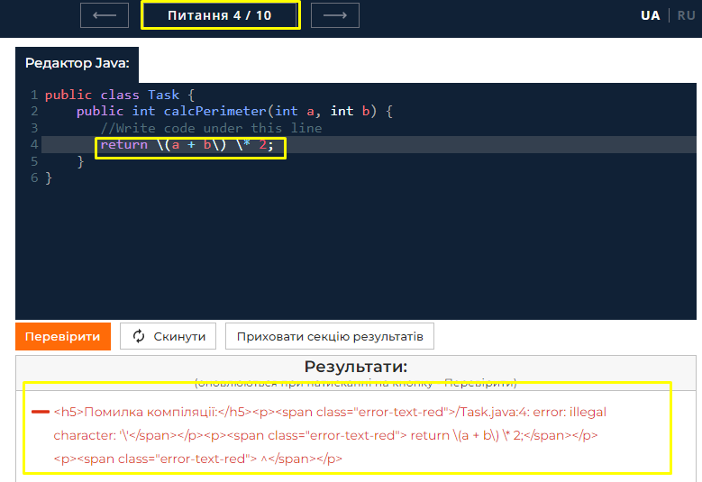
Attachments: | 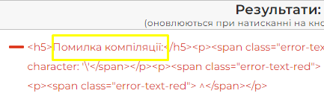
Additional info:

BR8
ID | BR1008
Reporter: | Mashentsova Oksana | Assignee: |  | Status: | Fail
Type: | Function | Severity: | Critical | Priority: | Hight
Browser: | Google Chrome Version 106.0.5249.103 (Official Build) (64-bit) | OS: | Windows | OS version | Windows 10 Pro
Summary: | Error checking the program code of the correct answer in question 5
Description:

Pre-conditions:
1 | The website https://goit.global/qa-autocheck-test/?token=d5fcc3783ba50fcac78b5a5ea8e4d69f6fe51ed8368bc618a58a846ad8b03a63&block=xyz01ab35 is open in the browther
2 | The Java code editor window is open.
3 | A start code is in the editor window.
Steps to reproduce:
1 | Open question № 5
2 | Enter the program code of the correct answer to the corresponding question (see test data) in the highlighted gray line
3 | Click on the "Check" button between the code editor and the results section

Actual result: 1.The code in the editor window failed validation. Results sections are displayed in red text
2 | The results show a "Compilation error"
Expected result: 1.The page updated. Question № 5 is open
2.The program code for the correct answer to question 5 is entered.
3.The code in the editor window has been validated. All items in the results section are highlighted in green text

Attachments: | 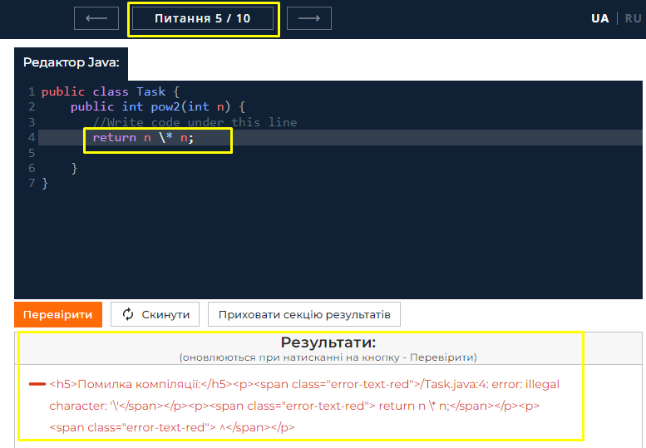
Additional info:

BR9
ID | BR1009
Reporter: | Mashentsova Oksana | Assignee: |  | Status: | Fail
Type: | Function | Severity: | Critical | Priority: | Hight
Browser: | Google Chrome Version 106.0.5249.103 (Official Build) (64-bit) | OS: | Windows | OS version | Windows 10 Pro
Summary: | Error checking the program code of the correct answer in question 7
Description:

Pre-conditions:
1 | The website https://goit.global/qa-autocheck-test/?token=d5fcc3783ba50fcac78b5a5ea8e4d69f6fe51ed8368bc618a58a846ad8b03a63&block=xyz01ab35 is open in the browther
2 | The Java code editor window is open.
3 | A start code is in the editor window.
Steps to reproduce:
1 | Open question № 7.
2 | Enter the program code of the correct answer to the corresponding question (see test data) in the highlighted gray line
3 | Click on the "Check" button between the code editor and the results section

Actual result: 1.The code in the editor window failed validation. Results sections are displayed in red text
2 | The results show a "Compilation error"
Expected result: 1.The page updated. Question № 7 is open
2.The program code for the correct answer to question 7 is entered
3.The code in the editor window has been validated. All items in the results section are highlighted in green text

Attachments: | 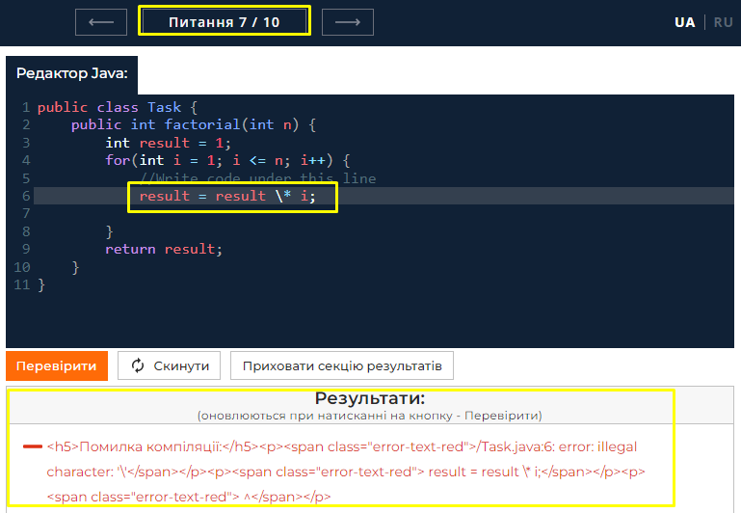
Additional info:

BR10
ID | BR1010
Reporter: | Mashentsova Oksana | Assignee: |  | Status: | Fail
Type: | Function | Severity: | Critical | Priority: | Hight
Browser: | Google Chrome Version 106.0.5249.103 (Official Build) (64-bit) | OS: | Windows | OS version | Windows 10 Pro
Summary: | The "Check" button in the code editor in question 3 does not work
Description:

Pre-conditions:
1 | The website https://goit.global/qa-autocheck-test/?token=d5fcc3783ba50fcac78b5a5ea8e4d69f6fe51ed8368bc618a58a846ad8b03a63&block=xyz01ab35 is open in the browther
3 | The Java code editor window is open.
4 | A start code is in the editor window.
Steps to reproduce:
1 | Open question № 3
2 | Enter the program code of the correct answer to the corresponding question (see test data) in the highlighted gray line
3 | Click on the "Check" button between the code editor and the results section

Actual result: 1.The "Check" button does not work
2 | After clicking, the page remains unchanged.
3 | Nothing is displayed in the results section.
Expected result: 1.The page updated. Question № 3 is open.
2. The program code for the correct answer to question 3 is entered
3.The code in the editor window has been validated. All items in the results section are highlighted in green text

Attachments: | 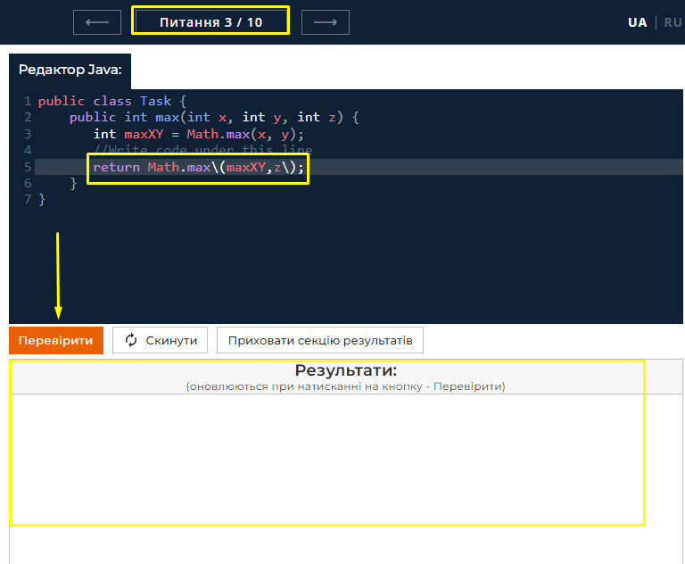
Additional info:

BR11
ID | BR1011
Reporter: | Mashentsova Oksana | Assignee: |  | Status: | Fail
Type: | Function | Severity: | Major | Priority: | Hight
Browser: | Google Chrome Version 106.0.5249.103 (Official Build) (64-bit) | OS: | Windows | OS version | Windows 10 Pro
Summary: | The "Reset" button in the code editor in question 2 does not work
Description:

Pre-conditions:
1 | The website https://goit.global/qa-autocheck-test/?token=d5fcc3783ba50fcac78b5a5ea8e4d69f6fe51ed8368bc618a58a846ad8b03a63&block=xyz01ab35 is open in the browther
2 | The Java code editor window is open.
3 | A start code is in the editor window.
Steps to reproduce:
1 | Open question № 2
2 | Enter the program code of the correct answer to question 2 in the line highlighted in gray
3 | Click the "Reset" button
4 | Click the "Yes" button in the modal window.

Actual result: 1.The reset button does not work.
 | After clicking, the page remains unchanged.
 | The code in the editor does not go to the initial state
Expected result: 1.The page updated. Question № 2 is open.
2 | The program code for the correct answer to question 2 is entered
3 | A modal window is open
4 | The modal window is closed. The page updated. The code in the editor has returned to its original state

Attachments: | 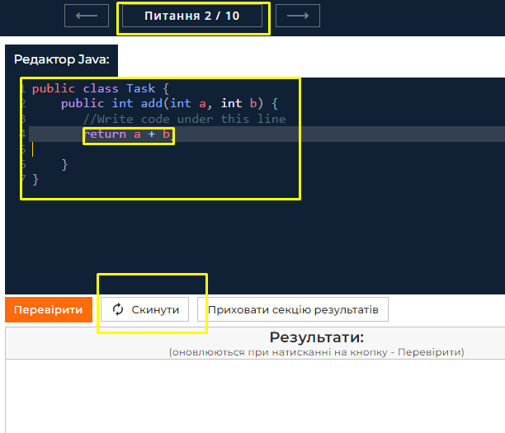
Additional info:

BR12
ID | BR1012
Reporter: | Mashentsova Oksana | Assignee: |  | Status: | Fail
Type: | Function | Severity: | Major | Priority: | Hight
Browser: | Google Chrome Version 106.0.5249.103 (Official Build) (64-bit) | OS: | Windows | OS version | Windows 10 Pro
Summary: | A blank page appears after clicking the "Reset" button in question 8
Description:

Pre-conditions:
1 | The website https://goit.global/qa-autocheck-test/?token=d5fcc3783ba50fcac78b5a5ea8e4d69f6fe51ed8368bc618a58a846ad8b03a63&block=xyz01ab35 is open in the browther
2 | The Java code editor window is open.
3 | A start code is in the editor window.
Steps to reproduce:
1 | Open question 8
2 | Enter the program code of the correct answer to question 8 in the line highlighted in gray
3 | Click the "Reset" button
4 | Click the "Yes" button in the modal window.

Actual result: 1.A blank page opened

Expected result: 1.The page updated. Question № 2 is open
2 | The program code for the correct answer to question 8 is entered
3 | A modal window is open
4 | The modal window is closed. The page updated. The code in the editor has returned to its original state

Attachments: | 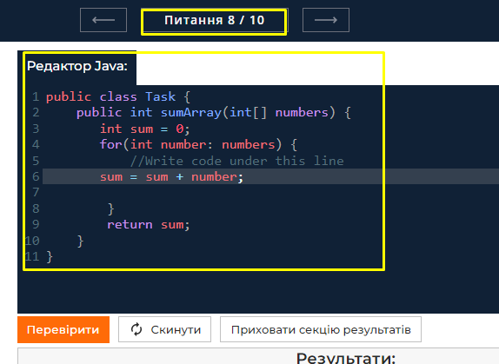 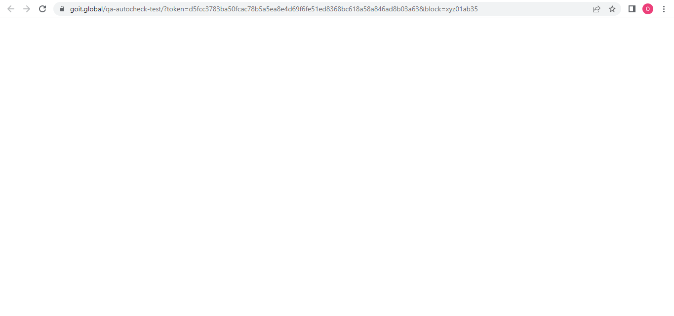
Additional info:

BR13
ID | BR1013
Reporter: | Mashentsova Oksana | Assignee: |  | Status: | Fail
Type: | Functional | Severity: | Minor | Priority: | Hight
Browser: | Google Chrome Version 106.0.5249.103 (Official Build) (64-bit) | OS: | Windows | OS version | Windows 10 Pro
Summary: | The code editor does not expand to the full width of the page after clicking the "Hide theory and assignments" button
Description:

Pre-conditions:
1 | The website https://goit.global/qa-autocheck-test/?token=d5fcc3783ba50fcac78b5a5ea8e4d69f6fe51ed8368bc618a58a846ad8b03a63&block=xyz01ab35 is open in the browther
2 | The theory section is open
Steps to reproduce:
1 | Click on the button "Hide theory and tasks"
Actual result:
The code editor window does NOT expand to the full width of the page

Expected result: The theory section collapses. The code editor window expands to the full width of the page. The "Hide theory and assignments" button shrunk to an icon with no text.

Attachments: | 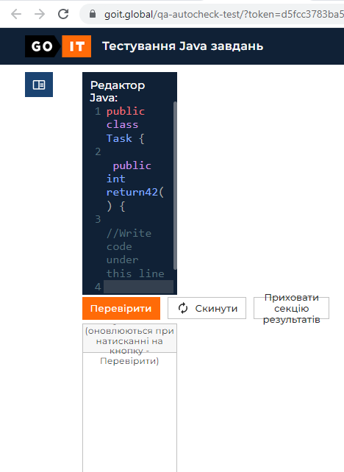
Additional info:

BR14
ID | BR1014
Reporter: | Mashentsova Oksana | Assignee: |  | Status: | Fail
Type: | Functional | Severity: | Minor | Priority: | Medium
Browser: | Google Chrome Version 106.0.5249.103 (Official Build) (64-bit) | OS: | Windows | OS version | Windows 10 Pro
Summary: | The check menu does not move down the code editor after clicking the "Hide Results Section" button
Description:

Pre-conditions:
1 | The website https://goit.global/qa-autocheck-test/?token=d5fcc3783ba50fcac78b5a5ea8e4d69f6fe51ed8368bc618a58a846ad8b03a63&block=xyz01ab35 is open in the browther
2 | The Java code editor window is open.
Steps to reproduce:
1 | Click on the "Hide results section" button
Actual result:
The check menu does not move down the code editor after clicking the "Hide Results Section" button

Expected result: The results section is collapsing. The code editor window expands to the full height of the page body. The check menu moves to the bottom of the page. The button text changes to "Show results section"

Attachments: | 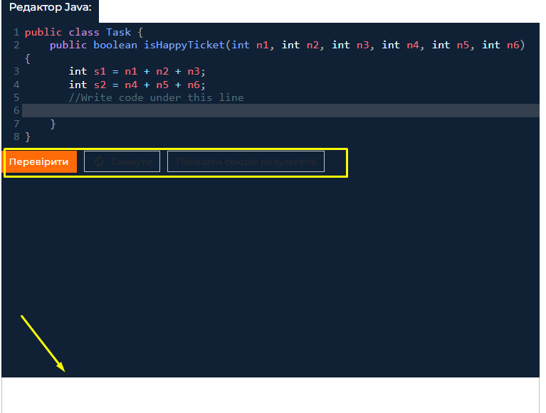
Additional info:

BR15
ID | BR1015
Reporter: | Mashentsova Oksana | Assignee: |  | Status: | Fail
Type: | Functional | Severity: | Major | Priority: | Medium
Browser: | Google Chrome Version 106.0.5249.103 (Official Build) (64-bit) | OS: | Windows | OS version | Windows 10 Pro
Summary: | The "Privacy Policy" modal window does not close after clicking on the cross in the upper right corner of the modal window
Description:

Pre-conditions:
1 | The website https://goit.global/qa-autocheck-test/?token=d5fcc3783ba50fcac78b5a5ea8e4d69f6fe51ed8368bc618a58a846ad8b03a63&block=xyz01ab35 is open in the browther
2 | The "Privacy Policy" modal window is open
Steps to reproduce:
1 | Click on the cross in the upper right corner of the "Privacy Policy" modal window
Actual result:
The "Privacy Policy" modal window remained open.

Expected result: The "Privacy Policy" modal window is closed.

Attachments: | 
Additional info:

